Content


 | www.staradvisers.com.au | Phone +61 8 9209 3260

Content

- Claiming Home Office Expenses as a Tax Deduction - Explained |  |  | Link
- How to complete |  |  | Link
- Actual Expenses
Mobile |  |  | Link
Home Phone |  |  | Link
Electricity |  |  | Link
Internet |  |  | Link
Stationery and Computer Consumables |  |  | Link
- Plant & Equipment |  |  | Link
- Stationery, Computer Consumables and Plant & Equipment Apportionment |  |  | Link
- Hourly Rate Diary - If not using actual expenses method above |  |  | Link

Instructions Scanned Documents
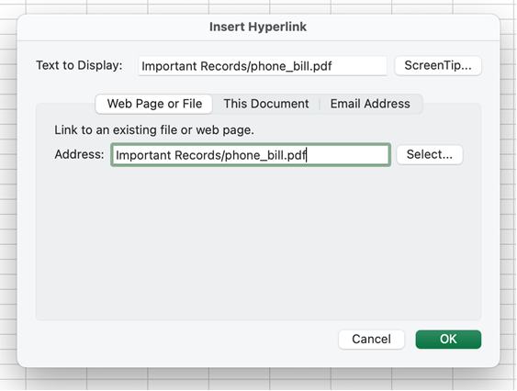
www.staradvisers.com.au | Phone +61 8 9209 3260

Instructions on Linking Scanned Documents into these Spreadsheets

Create a file on your computer for where you keep this spreadsheet. Store under this file all the scanned documents relating to the spreadsheets then link them into the relevant spreadsheet line as follows:

Go to the cell in the spreadsheet under the link to the receipt or link to document heading then click on “Insert” in the menu right at the top and this task bar should appear:

Then click on “Link” and select the relevant document. If the spreadsheet has been saved in the same directory as the documents that relate to it, they should be the first displayed. Then enter the relevant amounts etc in the spreadsheet as per the instructions given in the spreadsheet. It is very important never to change the file name of the scanned document and to make sure the spreadsheet remains within the same directory as all the documents it relates to, so that the spreadsheet can always find the scanned document.

Important Points
• Never change the file name of the scanned document. Changing the name will break the link to your document & your link will stop working.
• Save the spreadsheet in the same directory as all the documents it relates to. This will make it easier for you to keep track of the documents you’ve provided.
• If you need to move your files onto another computer , USB drive or onto a Cloud account make sure you move all of the spreadsheets and resources. Any files that are not copied over will not be accessible in the new location.
• If you want to be able to move this file around, say for example to a USB and the Excel spreadsheet still be able to find the document you have attached, make sure you create a relative link. You can double check this by checking that the address in the link starts with the sub-folder not a whole bunch of jargon.

Example
Let’s assume you have put the all the spreadsheets in a folder called Getting Your Affairs in Order that is sitting on your Desktop. You then create a new folder inside this Getting your affairs in order folder called Other Important Records Spreadsheet, into which you put the Other Important Records spreadsheet and associated documents ie phone bills. Now despite the phone bill actually being C:\Users\MyName\Desktop\Getting Your Affairs in Order \Other Important Records\Important Records\ phone_bill.pdf. The relative link that actually shows in the spreadsheet is Important Records/ phone_bill.pdf. This way when you copy all of the Getting Your Affairs in Order folder over to an USB it will still be able to find the Important Records folder etc.

As you can see in the screenshot below, since the Important Records folder is a sub-folder of Other Important Records folder it doesn't have a lot of different folders in front of the path - it can link directly to the Important Records folder.

